Sheet1
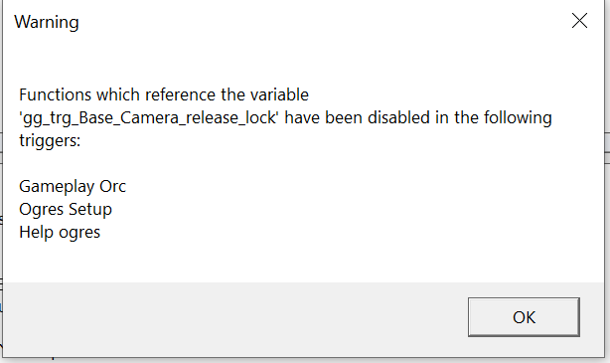
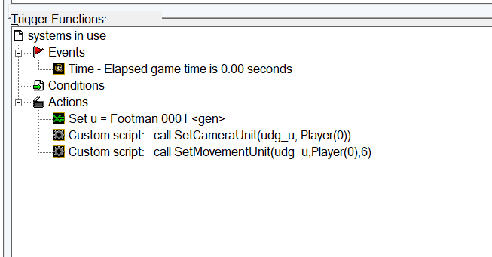
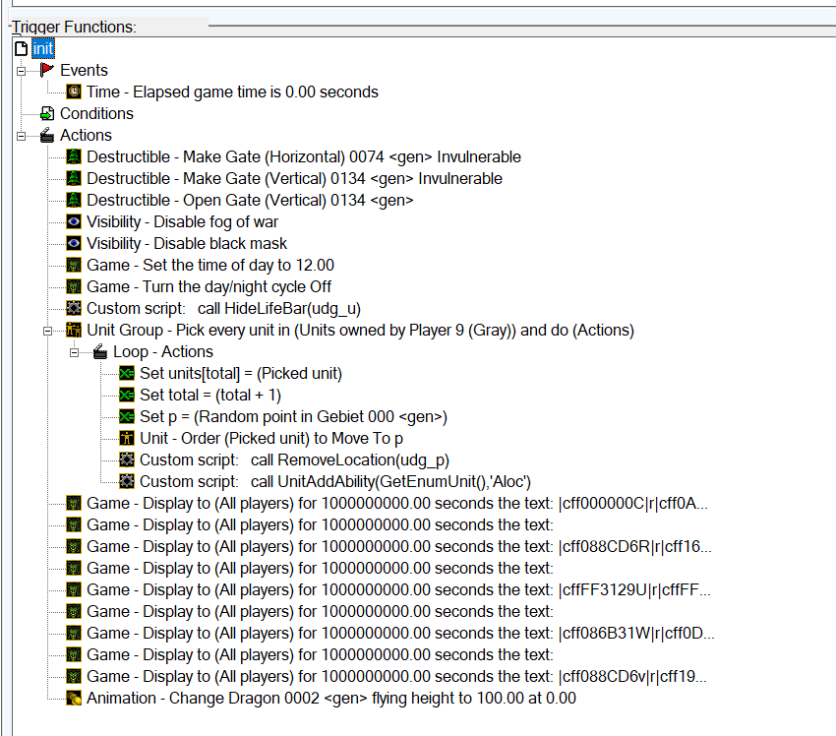
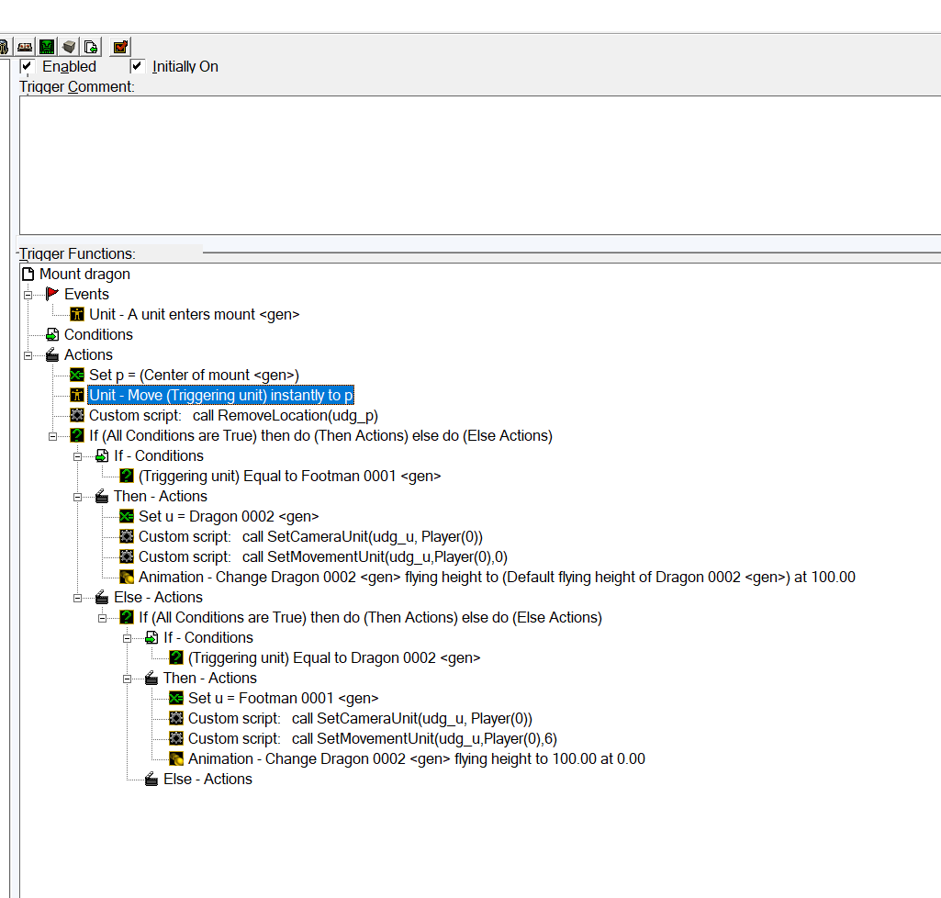
advanced camera system variables
 | variable name | variable type | initial value
 | p | point | None
 | total | integer | 0 (Default)
 | u | Unit | None
 | units | Unit Array (90) | None

 | old camera system

Creeo Respawn System
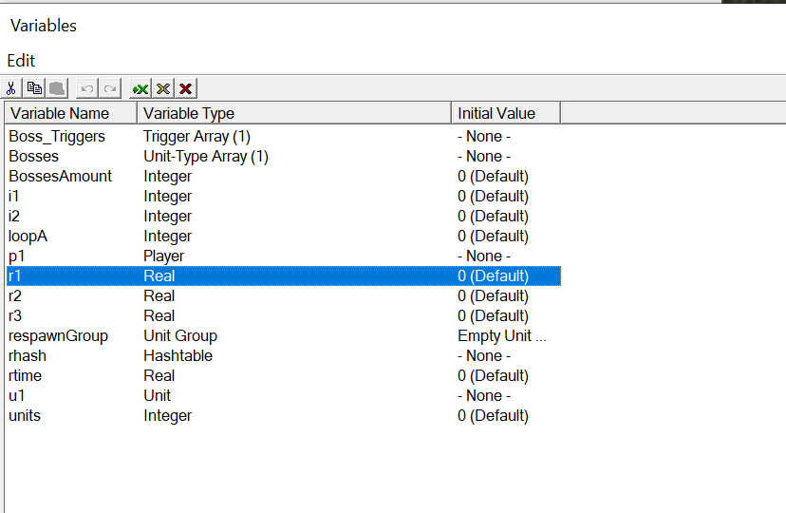
variable name | Variable Type | Initial Value
units | Integer | 0
rhash | Hastable | none
i1 | Integer | 0

Damage Engine
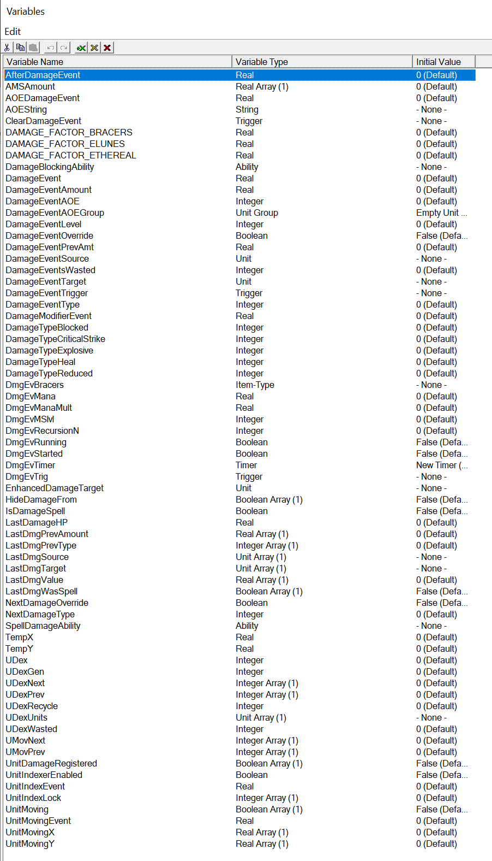

DarkShaman
DarkShaman1
File Name | length | Text | Related quest | Related Event | order | Done | Comment
DarkShaman_0001 | Darkshaman1 | How dare you interfere with our plans! The flames obey us, they kneel to us… but now, they shall consume you instead! |  | BossScorchion: Engage Darkshamans |  | x
DarkShaman_0002 | Darkshaman1 | The spirits of fire are bound to our will—your flesh shall be their feast! |  | BossScorchion: Engage Darkshamans |  | x
DarkShaman_0003 | Darkshaman1 | Witness the true power of shackled flame! |  | BossScorchion: Engage Darkshamans |  | x
DarkShaman_0004 | Darkshaman1 | Aaargh! Why can’t you just.. die?! |  | BossScorchion: Engage Darkshamans |  | x
DarkShaman_0005 | Darkshaman1 | Haha! Your actions are amusing! |  | BossScorchion: Engage Darkshamans
DarkShaman_0006
DarkShaman_0007 | Darkshaman1 | The spirits… never to be… controlled… |  | BossScorchion: Last dark shaman dies |  | x
DarkShaman_0008 | Darkshaman1 | The fire… is unbound… It devours… us all… |  | BossScorchion: Last dark shaman dies |  | x
DarkShaman_0009 | Darkshaman1 | ...Scorchion will destroy you! |  | BossScorchion: Last dark shaman dies |  | x
DarkShaman_0010
DarkShaman_0011
DarkShaman_0012 | Darkshaman1 | Run, little coward! The spirits have abandoned you! |  | BossScorchion: Engage reset |  | x
DarkShaman_0013 | Darkshaman1 | Flee! You are no match for us! |  | BossScorchion: Engage reset |  | x
DarkShaman_0014 | Darkshaman1 | There is nowhere to hide under the burning sky! |  | BossScorchion: Engage reset |  | x
DarkShaman_0015
DarkShaman_0016
DarkShaman_0017
DarkShaman2
DarkShaman_0018
DarkShaman_0019 | Darkshaman1 | With this elemental enslaved, none shall stand against us! |  | Distant / “Filmed from far away” |  | x
DarkShaman_0020 | Darkshaman2 | What if it breaks free? Its rage would turn us all to cinders… |  | Distant / “Filmed from far away” |  | x
DarkShaman_0021 | Darkshaman1 | Silence, you fool! |  | Distant / “Filmed from far away” |  | x
DarkShaman_0022 | Darkshaman1 | Our master has a vision, and that vision will not be achieved with cowardice! |  | Distant / “Filmed from far away” |  | x
DarkShaman_0023 | Darkshaman2 | Still… I can sense fire straining against the chains, it speaks to me violently. |  | Distant / “Filmed from far away”
DarkShaman_0024 | Darkshaman1 | Bah! Then bind it tighter, feed it more pain. Now—concentrate your energies on this fire lord! |  | Distant / “Filmed from far away” |  | x
DarkShaman_0025
DarkShaman_0026
DarkShaman_0027
DarkShaman_0028
DarkShaman_0029
DarkShaman_0030
DarkShaman_0031
DarkShaman_0032
DarkShaman_0033
DarkShaman_0034

VoidEntity
File Name | length | Text | Related quest | Related Event | order | Done | Comment
VoidEntity_0001 |  | It is too late... for me. |  | Encounter / Start |  | x
VoidEntity_0002 |  | You should not have come… |  | Encounter / Start |  | x
VoidEntity_0003 |  | Help… me…. |  | Encounter / Start |  | x
VoidEntity_0004
VoidEntity_0005 |  | Your fear… feeding me… |  | Random Combat Lines |  | x
VoidEntity_0006 |  | Relinquish… yourself… |  | Random Combat Lines |  | x
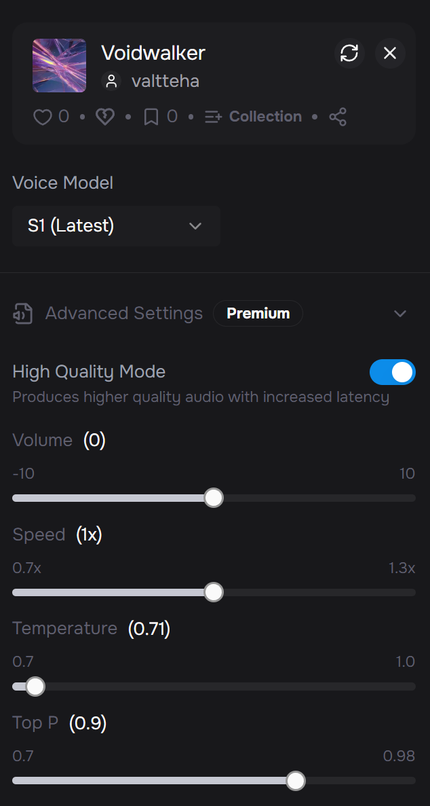
VoidEntity_0007 |  | Every strike… unravels you. |  | Random Combat Lines |  | x
VoidEntity_0008 |  | This will… consume you… |  | Random Combat Lines |  | x
VoidEntity_0009 |  | It is futile… to resist... |  | Random Combat Lines |  | x
VoidEntity_0010 |  | There is nowhere... to run. |  | Random Combat Lines |  | x
VoidEntity_0011
VoidEntity_0012 |  | Welcome… to the other side… |  | When Party Unit Dies |  | x
VoidEntity_0013 |  | Feel the void… |  | When Party Unit Dies |  | x
VoidEntity_0014 |  | You will see… darkness… |  | When Party Unit Dies |  | x
VoidEntity_0015
VoidEntity_0016
VoidEntity_0017 |  | Unmake. |  | Casting Regular Ability |  | x
VoidEntity_0018 |  | Despair. |  | Casting Regular Ability |  | x
VoidEntity_0019 |  | Surrender. |  | Casting Regular Ability |  | x
VoidEntity_0020 |  | You... will fail… |  | Casting Regular Ability |  | x
VoidEntity_0021 |  | Unravel. |  | Casting Regular Ability |  | x
VoidEntity_0022
VoidEntity_0023 |  | Your light… fades… |  | Casting Ultimate Ability |  | x
VoidEntity_0024 |  | No light remains. |  | Casting Ultimate Ability |  | x
VoidEntity_0025 |  | Your end… begins… |  | Casting Ultimate Ability |  | x
VoidEntity_0026
VoidEntity_0027
VoidEntity_0028 |  | There is only… absorption. |  | Low Health / Phase Shift |  | x
VoidEntity_0029 |  | Finish it… |  | Low Health / Phase Shift |  | x
VoidEntity_0030 |  | Soon… it’s over…
VoidEntity_0031
VoidEntity_0032 |  | I see… nothing…? |  | Death |  | x
VoidEntity_0033 |  | At last… I am free… |  | Death |  | x
VoidEntity_0034
VoidEntity_0035
VoidEntity_0036
VoidEntity_0037
VoidEntity_0038
VoidEntity_0039
VoidEntity_0040
VoidEntity_0041
VoidEntity_0042
VoidEntity_0043
VoidEntity_0044
VoidEntity_0045
VoidEntity_0046
VoidEntity_0047
VoidEntity_0048
VoidEntity_0049
VoidEntity_0050
VoidEntity_0051
VoidEntity_0052
VoidEntity_0053
VoidEntity_0054
VoidEntity_0055
VoidEntity_0056
VoidEntity_0057
VoidEntity_0058
VoidEntity_0059
VoidEntity_0060
VoidEntity_0061
VoidEntity_0062
VoidEntity_0063
VoidEntity_0064
VoidEntity_0065
VoidEntity_0066
VoidEntity_0067
VoidEntity_0068
VoidEntity_0069
VoidEntity_0070

Valeria Lines
File Name | length | Text | Related quest | Related Event | order | Done | Comment
Valeria_0001 |  | Hold, intruder! Another step and you bleed where you stand! |  | First Greet -Ambush from the Bushes |  | x
Valeria_0002 |  | Filthy orc lies! I’ll drop you down where you stand! |  | First Greet -Ambush from the Bushes |  | x
Valeria_0003
Valeria_0004
Valeria_0005 |  | Then I shall fall but so will you! | Incorrect 1 | Mid-Fight when Nazgrek tries to speak |  | x | switch positions and dialog choices after every failed attempt
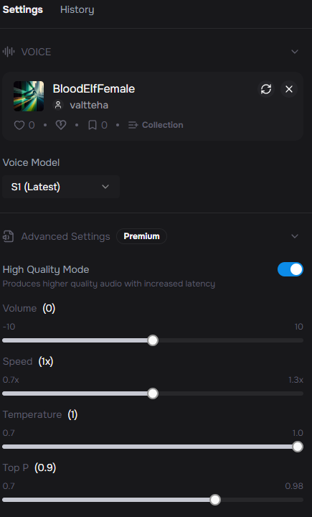
Valeria_0006 |  | This is my land — not yours! | Incorrect 2 | Mid-Fight when Nazgrek tries to speak |  | x
Valeria_0007 |  | Try it, beast! My bow will show you force! | Incorrect 3 | Mid-Fight when Nazgrek tries to speak |  | x
Valeria_0008 |  | Orc tongues are venom — I won’t be deceived! | Incorrect 4 | Mid-Fight when Nazgrek tries to speak |  | x
Valeria_0009 |  | Never! Not while I still draw breath! | Incorrect 5 | Mid-Fight when Nazgrek tries to speak |  | x
Valeria_0010 |  | Then allow me to pass you to the shadowlands! | Incorrect 6 | Mid-Fight when Nazgrek tries to speak |  | x
Valeria_0011 |  | Warmonger! | Incorrect 7 | Mid-Fight when Nazgrek tries to speak |  | x
Valeria_0012 |  | Silence you bloodthirsty beast! | Incorrect 8 | Mid-Fight when Nazgrek tries to speak |  | x
Valeria_0013 |  | Lies! All lies! | Incorrect 9 | Mid-Fight when Nazgrek tries to speak |  | x
Valeria_0014 |  | …Aradion? He… lives? | Correct | Mid-Fight when Nazgrek tries to speak |  | x
Valeria_0015 |  | If he trusts you, then… then perhaps I must as well. For his word has never failed me. | Correct | Mid-Fight when Nazgrek tries to speak |  | x
Valeria_0016
Valeria_0017
Valeria_0018
Valeria_0019 |  | If you speak the truth — then take me to him. Now. | Ranger Missing (valeria) | Intro |  | x
Valeria_0020 |  | But know this, orc — I’ll be watching you. | Ranger Missing (valeria) | Intro |  | x
Valeria_0021 |  | Where is Aradion? | Ranger Missing (valeria) | Unfinished |  | x
Valeria_0022 |  | I’m watching you carefully… | Ranger Missing (valeria) | Unfinished |  | x
Valeria_0023 |  | Aradion… It is you! I thought I’d never see you again. | Ranger Missing (valeria) | Completion |  | x
Valeria_0024 |  | This orc… he spoke your name, my love. It is the only reason I followed him. | Ranger Missing (valeria) | Completion |  | x
Valeria_0025 |  | …Do not think this earns my trust fully, orc. But… for Aradion’s sake, I’m giving you a chance. | Ranger Missing (valeria) | Completion |  | x
Valeria_0026
Valeria_0027
Valeria_0028 |  | Aradion may place his faith in you, but my bow remains drawn. | A Token of Love | Intro |  | x
Valeria_0029 |  | If you would prove your worth, then bring back what I lost. | A Token of Love | Intro |  | x
Valeria_0030 |  | In a rush I left my special necklace in the ruins what was once our beloved Elarindor. | A Token of Love | Intro |  | x
Valeria_0031 |  | Find my necklace and bring it to me. It would mean so much for me… | A Token of Love | Intro |  | x
Valeria_0032 |  | You return empty-handed. Do not think I’ll be swayed with words alone. | A Token of Love | Unfinished |  | x
Valeria_0033 |  | The ruins still hold what I asked for. Find it. | A Token of Love | Unfinished |  | x
Valeria_0034 |  | …You found it! After all this time… it warm as if it never left me. | A Token of Love | Completion |  | x
Valeria_0035 |  | I thought it was lost forever… | A Token of Love | Completion |  | x
Valeria_0036 |  | Perhaps I was wrong about you, orc. It seems you are not like the rest of your kind. | A Token of Love | Completion |  | x
Valeria_0037
Valeria_0038 |  | If you have news, speak it swiftly. |  | Normal Greet |  | x
Valeria_0039 |  | Every day we lose more to the void. |  | Normal Greet |  | x
Valeria_0040 |  | I still wonder why you walk among us. |  | Normal Greet |  | x
Valeria_0041 |  | Elarindor is but a shadow of what it once was. |  | Normal Greet |  | x
Valeria_0042 |  | Your presence steadies my heart. |  | Friendly Greet |  | x
Valeria_0043 |  | Strange, that an orc calms this now wretched place. |  | Friendly Greet |  | x
Valeria_0044 |  | You have done much for us. More than I would have believed. |  | Friendly Greet |  | x
Valeria_0045 |  | More and more I begin to see why Aradion trusts you. |  | Friendly Greet |  | x
Valeria_0046 |  | The shadows grow restless. Be swift, shaman. |  | Goodbye |  | x
Valeria_0047 |  | Farewell, and return with more hope than you leave. |  | Goodbye |  | x
Valeria_0048 |  | I will remain. Someone must keep watch. |  | Goodbye |  | x
Valeria_0049
Valeria_0050
Valeria_0051 |  | When the first wraiths emerged, we fled with nothing but our lives. | Lost Supplies | Intro |  | x
Valeria_0052 |  | But not all was lost. We hid supply caches throughout Elarindor in those desperate hours. | Lost Supplies | Intro |  | x
Valeria_0053 |  | If you would like to aid us, orc. Recover what remains. Even scraps could keep us standing. | Lost Supplies | Intro |  | x
Valeria_0054 |  | Without those supplies, our strength withers further. | Lost Supplies | Unfinished |  | x
Valeria_0055 |  | Some of those supplies can be hard to find… | Lost Supplies | Unfinished |  | x
Valeria_0056 |  | You found them… this is more than I dared to hope for. | Lost Supplies | Completion |  | x
Valeria_0057 |  | These rations may taste of dust, yet to me, they are sweeter than any feast. | Lost Supplies | Completion |  | x
Valeria_0058 |  | Nazgrek, you give us another day. And another day means another chance to endure. | Lost Supplies | Completion |  | x
Valeria_0059 |  |  |  |  |  | x |  | Valeria_0060 | We have planned this forever… I can handle it, my love. | Rifts of Corruption | Intro
Valeria_0060 |  | We have planned this forever… I can handle it, my love. | Rifts of Corruption | Intro |  | x |  | Valeria_0061 | Stand ready Nazgrek. Once I begin, the place will be crawling with wraiths. | Rifts of Corruption | During Ritual (prepare)
Valeria_0061 |  | Hold your ground! Don’t let them reach Aradion! | Rifts of Corruption | Valeria (mid-battle): |  | x
Valeria_0062 |  | The rift is pulling every wrath towards it — brace yourself! | Rifts of Corruption | Valeria (mid-battle): |  | x
Valeria_0063 |  | Aradion…? No!!! | Rifts of Corruption | Valeria (If Aradion dies) |  | x
Valeria_0064 |  | Forgive me… my love... I… have failed… | Rifts of Corruption | Valeria (If herself dies) |  | x
Valeria_0065 |  | They are too many! Drive them back! | Rifts of Corruption | Valeria (mid-battle): |  | x
Valeria_0066 |  | Great job, my love! | Rifts of Corruption | Aradion (During Ritual – ready) |  | x
Valeria_0067 |  | Beware the wraiths we may encounter… they can be damaged only by magic and spells. | Rifts of Corruption | Start |  | x
Valeria_0068 |  | You never cease to amaze me, my love. | Rifts of Corruption | Aradion (During Ritual – ready) |  | x
Valeria_0069 |  | Don’t worry my love, we will be. | Rifts of Corruption | Start |  | x
Valeria_0070 |  | So, is it… over now? Is this the answer to our people’s curse? | Rifts of Corruption | End |  | x
Valeria_0071 |  | Gladly. | Rifts of Corruption | End |  | x
Valeria_0072 |  | We will handle them, just keep your focus on the rift! | Rifts of Corruption | Aradion (During Ritual – prepare)
Valeria_0073 |  | We stand ready to defend you! | Rifts of Corruption | Aradion (During Ritual – prepare)

Valeria_0067 | EDIT WE | I’ve seen her face shimmering through the mists. Beautiful… but mischievous… | The Witch’s Smile | Intro
Valeria_0068 | EDIT WE | Be cautious, shaman. The witch can not be trusted. | The Witch’s Smile | Intro
Valeria_0069 | EDIT WE | I knew it. No one walks this land untouched by hunger. Not even she. | The Witch’s Smile | Completion
Valeria_0070
Valeria_0071
Valeria_0072 |  |  |  |  |  | x |  | Valeria_0062 | I will attempt to close this rift. But I cannot fight and focus at once… you must protect me! | Rifts of Corruption | During Ritual (prepare)
Valeria_0062 |  | I will attempt to close this rift. But I cannot fight and focus at once… you must protect me! | Rifts of Corruption | During Ritual (prepare) |  | x |  | Valeria_0063 | Hold them back! Just a little longer! | Rifts of Corruption | During Ritual (in combat)
Valeria_0063 |  | Hold them back! Just a little longer! | Rifts of Corruption | During Ritual (in combat) |  | x |  | Valeria_0064 | The rift is not still closed — I need more time! | Rifts of Corruption | During Ritual (in combat)
Valeria_0064 |  | The rift is not still closed — I need more time! | Rifts of Corruption | During Ritual (in combat) |  | x |  | Valeria_0065 | Keep them away from me! | Rifts of Corruption | During Ritual (in combat)
Valeria_0065 |  | Keep them away from me! | Rifts of Corruption | During Ritual (in combat) |  | x |  | Valeria_0066 | Aradion… forgive me… I… have failed… | Rifts of Corruption | During Ritual (Valeria falls)
Valeria_0066 |  | Aradion… forgive me… I… have failed… | Rifts of Corruption | During Ritual (Valeria falls) |  | NA |  | Valeria_0067 | We cannot stop them… not yet… not like this… | Rifts of Corruption | During Ritual (Valeria falls)
Valeria_0067 |  | We cannot stop them… not yet… not like this… | Rifts of Corruption | During Ritual (Valeria falls) |  | x |  | Valeria_0068 | It is done. The rift is sealed… at least for now. | Rifts of Corruption | During Ritual (complete)
Valeria_0068 |  | It is done. The rift is sealed… at least for now. | Rifts of Corruption | During Ritual (complete) |  | x |  | Valeria_0069 | For a heartbeat, I felt the Vale breathe again. | Rifts of Corruption | During Ritual (complete)
Valeria_0069 |  | For a heartbeat, I felt the Vale breathe again. | Rifts of Corruption | During Ritual (complete) |  | x
Valeria_0070
Valeria_0071
Valeria_0072 |  | Nazgrek, you read too much into small things. He is tired, nothing more. | Denial / Reassuring Lines |  |  | x
Valeria_0073 |  | What are you talking about?! He is the same man I have always known. | Denial / Reassuring Lines |  |  | x
Valeria_0074 |  | If you worry so much, perhaps you should travel elsewhere for a while. | Denial / Reassuring Lines |  |  | x
Valeria_0075 |  | Stop whispering of curses and hunger. I will not hear such words. | Denial / Reassuring Lines |  |  | x
Valeria_0076
Valeria_0077
Valeria_0078
Valeria_0079

 |  | You’re lying! | The Witch’s Smile

 |  | Then let it come. We’ll be waiting. | The Witch’s Victory | The camera pans over Valeria kneeling at the ruins, the Prism glowing faintly.

Aradion Lines
File Name | Redo | length | Text | Related quest | Related Event | order | Done | Comment
Aradion_0001 |  |  | An… orc? Here? If you came for blood, take mine swiftly. I will not flee… |  | First time greet |  | x
Aradion_0002 |  |  | …No. Orcs do not speak so. You… are different. |  | First time greet |  | x
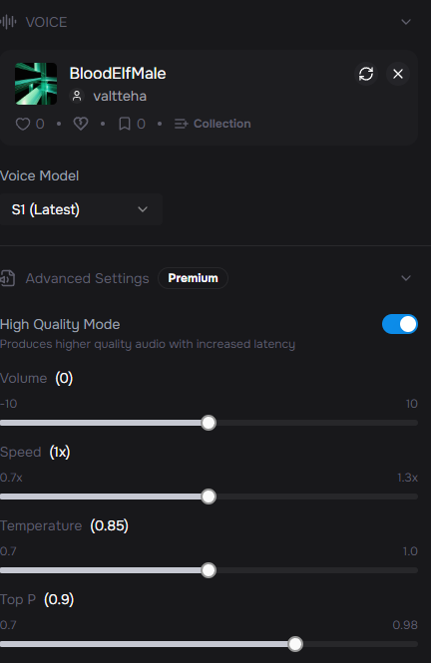
Aradion_0003 |  |  | I see the truth in your eyes. You do not come as foe, but as seeker. Then hear me, shaman, and know the ruin of my people. |  | First time greet |  | x
Aradion_0004 | EDIT WE | ok | This was once our home — Elarindor. Jewel of Vanguard Vale. A city that shone like a beacon from the light of the arcane energies. |  | First time greet |  | x
Aradion_0005 | EDIT WE | ok | Then she came… A magister called Lady Serenthia. Cloaked in grace and wisdom, she whispered promises of eternal prosperity. Many of my people heeded her call… |  | First time greet |  | x
Aradion_0006 | EDIT WE | ok | But all she was — was a lie. Her beauty and voice, the elven form were mere illusion. In truth, she was the witch Zerathis. |  | First time greet |  | x
Aradion_0007 | EDIT WE | ok | My beloved Valeria and I begged our kin to turn away… but what are two voices against the choir of greed? |  | First time greet |  | x
Aradion_0008 | EDIT WE | ok | Her words promised glory — strength to rival Quel’Thalas itself. Her lies were sweet… and my people were starving for more. |  | First time greet |  | x
Aradion_0009 | EDIT WE | ok | But every promise was poison. Each draught of her ‘gift’ deepened the hunger, until the hunger itself consumed them. |  | First time greet |  | x
Aradion_0010 |  |  | Now my people are twisted, their flesh withering, their souls bleeding into wraiths. Soon… nothing of them will remain. |  | First time greet |  | x
Aradion_0011 | EDIT WE | ok | Yes. Once mothers, fathers, children. Now only hollow echoes bound to the Void by the magic that devoured them. |  | First time greet |  | x
Aradion_0012 | EDIT WE | ok | The wretched who remain will share the same fate — it is only a matter of time before they too dissolve into wraiths. |  | First time greet |  | x
Aradion_0013 |  |  | I resisted… because I feared. And because Valeria feared with me. Together we begged them to turn away. None listened. |  | First time greet |  | x
Aradion_0014 | EDIT WE | ok | The witch saw no worth in those who refused her. So she left us alive — to watch the slow death of our kin. |  | First time greet |  | x
Aradion_0015 |  |  | I have searched, shaman… searched for a cure, an answer, any salvation. But all I have found is despair. |  | First time greet |  | x
Aradion_0016 | EDIT WE | ok | Yet perhaps the spirits you serve have sent you here, to answer the question I cannot solve alone. |  | First time greet |  | x
Aradion_0017 |  |  | Go then, shaman. May the spirits shield you. |  | Goodbye |  | x
Aradion_0018 |  |  | May your path carry more hope than mine. |  | Goodbye |  | x
Aradion_0019 | EDIT WE | ok | I hope our paths cross again. |  | Goodbye |  | x
Aradion_0020 |  |  | I did not expect company in these ruins. |  | Normal Greet |  | x
Aradion_0021 |  |  | Yes, shaman? |  | Normal Greet |  | x
Aradion_0022 |  |  | Hm? Ah, it’s you. |  | Normal Greet |  | x
Aradion_0023 |  |  | Have you seen Valeria? |  | Normal Greet
Aradion_0024 |  |  | She is always on the run… |  | Normal Greet |  | x
Aradion_0025 |  |  | It eases me to see you again, shaman. |  | Friendly Greet |  | x
Aradion_0026 |  |  | Your steps bring solace to this broken place. |  | Friendly Greet |  | x
Aradion_0027 |  |  | Strange… I never thought I would trust an orc, yet here we stand. |  | Friendly Greet |  | x
Aradion_0028 |  |  | Nazgrek, the spirits must walk closely with you. You are most welcomed visitor. |  | Friendly Greet |  | x
Aradion_0029
Aradion_0030
Aradion_0031 |  |  | Valeria? By the stars… you yet live! | Ranger Missing | Completion |  | x
Aradion_0032 |  |  | I feared that I had lost you… forgive me for losing hope. | Ranger Missing | Completion |  | x
Aradion_0033 |  |  | Then I was right. You Nazgrek are no foe, but a seeker. | Ranger Missing | Completion |  | x
Aradion_0034 |  |  | You have given me back my heart, shaman. For this… I owe you more than I can say. | Ranger Missing | Completion |  | x
Aradion_0035 |  |  | In the chaos, when the wraiths struck, my beloved Valeria was torn from my side. | Ranger Missing | Intro |  | x
Aradion_0036 |  |  | I have searched, but the shadows grow thick. If she still lives and you find her, bring her to me, shaman… before they claim her as well. | Ranger Missing | Intro |  | x
Aradion_0037 |  |  | Valeria is still missing... Tell me you have found her? | Ranger Missing | Unfinished
Aradion_0038 |  |  | More and more wraiths are circling around Elarindor… please, do not let her be lost to them. | Ranger Missing | Unfinished |  | x
Aradion_0039
Aradion_0040
Aradion_0041 |  |  | In the ruins of Elarindor, there are crystals… pulsing, alive with energy. | Crystals of Hope | Intro |  | x
Aradion_0042 |  |  | I believe they are remnants of our ancient magical pools, fractured when our people consumed too much magical energies. | Crystals of Hope | Intro |  | x
Aradion_0043 |  |  | If their power can be harnessed, perhaps… perhaps they may quiet the hunger, even if only for a time. | Crystals of Hope | Intro |  | x
Aradion_0044 |  |  | Bring me shards of these crystals, shaman. Let us not forsake even the faintest hope. | Crystals of Hope | Intro |  | x
Aradion_0045 |  |  | Have you managed to obtain any crystal shards? | Crystals of Hope | Unfinished |  | x
Aradion_0046 |  |  | Without those shards, the hope slips further from our grasp. | Crystals of Hope | Unfinished |  | x
Aradion_0047 |  |  | Yes… these shards still resonate with power, I can feel it... It is almost... mesmerizing. | Crystals of Hope | Completion |  | x
Aradion_0048 |  |  | If we can bend the crystals energy to our control, it might reverse the damage of the wretched elves decay… Or only soothe for a fleeting moment.… | Crystals of Hope | Completion |  | x
Aradion_0049 |  |  | Yet the pulse of these crystals seems odd... As if the crystals themselves cry out in pain. | Crystals of Hope | Completion |  | x
Aradion_0050 |  |  | I must study these shards you brought me… very carefully | Crystals of Hope | Completion |  | x
Aradion_0051
Aradion_0052
Aradion_0053 |  |  | The mana wraiths are what remain when the hunger wins. | Fading Sparks | Intro |  | x
Aradion_0054 |  |  | Yet even in their twisted forms, I sense a faint light — echoes of the elves they once were. | Fading Sparks | Intro |  | x
Aradion_0055 |  |  | If we can gather those sparks, perhaps they hold some secret… some key we have overlooked. | Fading Sparks | Intro |  | x
Aradion_0056 |  |  | Bring me their essences, shaman. Let us see if even wraiths may whisper truth. | Fading Sparks | Intro |  | x
Aradion_0057 |  |  | Our people's shades still drift through the Vale. You must claim their sparks… | Fading Sparks | Unfinished |  | x
Aradion_0058 |  |  | Do not let their torment go to waste. Bring me what little endures. | Fading Sparks | Unfinished |  | x
Aradion_0059 |  |  | These essences… they flicker like dying stars. | Fading Sparks | Completion |  | x
Aradion_0060 |  |  | So fragile… yet for a moment, I can feel all the memories.... everything they once were… | Fading Sparks | Completion |  | x
Aradion_0061 |  |  | But it all slips away, fading faster than breath. They are too far gone. | Fading Sparks | Completion |  | x
Aradion_0062 |  |  | …If even wraiths leave behind only ashes of the soul, then perhaps our people’s fate is truly sealed... | Fading Sparks | Completion |  | x
Aradion_0063 |  |  | I’ll give you the rod of Tel’anor which can be used to safely extract the essence of mana wraith when it is weakened enough. | Fading Sparks | Intro
Aradion_0064
Aradion_0065 |  |  | The ancient pools of magic around the Vanguard Vale and Elarindor once flowed pure, binding our people to life and light. | Rifts of Corruption | Intro |  | x |  | Aradion_0065 | The ley-lines beneath Vanguard Vale once flowed pure, binding our people to life and light. | Rifts of Corruption | Intro
Aradion_0066 |  |  | Now they are transformed.... distorted by implosion of the mana hunger.... And in those rift-like pools, the wraiths are born anew. | Rifts of Corruption | Intro |  | x |  | Aradion_0066 | Now they are transformed.... distorted by implosion of the mana hunger.... And in those rift-like pools, the wraiths are born anew. | Rifts of Corruption | Intro
Aradion_0067 |  |  | Valeria and I will attempt to seal these rifts. It is perilous work, and we don’t truly know what we are dealing with. I’ve begin to think that I should do this alone… | Rifts of Corruption | Intro |  | x |  | Aradion_0067 | Valeria believes she can seal one of the rifts. It is a dangerous gamble, but perhaps… necessary. | Rifts of Corruption | Intro
Aradion_0068 |  |  | Stand with us, Nazgrek. Guard me while I close the rifts — and strike down whatever nightmares the rifts unleash. | Rifts of Corruption | Intro |  | x |  | Aradion_0068 | Go with her shaman. Guard her while she closes the rift and strike down whatever horrors rise to stop her. | Rifts of Corruption | Intro
Aradion_0069 |  |  | The rifts are still open. If they are not sealed, the Vale will never heal. | Rifts of Corruption | Unfinished |  | x |  | Aradion_0069 | The rift is still open. If it is not sealed, the Vale will never heal. | Rifts of Corruption | Unfinished
Aradion_0070 |  |  | Hold the line! Protect Valeria — protect us both, shaman! | Rifts of Corruption | Unfinished |  | x |  | Aradion_0070 | Protect her, Nazgrek. Without her, we are already lost. | Rifts of Corruption | Unfinished
Aradion_0071 |  |  | The rifts… are sealed. For the first time in years, the air feels lighter in the Vale. | Rifts of Corruption | Completion |  | x |  | Aradion_0071 | The rift… is sealed. For the first time in years, the air feels lighter. | Rifts of Corruption | Completion
Aradion_0072 |  |  | You stood unbroken, my dear friend. Hope stirs again — faint, but alive. | Rifts of Corruption | Completion |  | x |  | Aradion_0072 | You did not falter, and because of it, hope stirs where only despair lingered. | Rifts of Corruption | Completion
Aradion_0073 |  |  | Thank you, shaman. You have given us more than victory — you have given us belief. | Rifts of Corruption | Completion |  | x |  | Aradion_0073 | Thank you, shaman. You have given us more than victory — you have given us belief. | Rifts of Corruption | Completion
Aradion_0074 |  |  | Stand ready, Nazgrek. Once I begin, this place can start to crawl with wraiths. | Rifts of Corruption | Aradion (During Ritual – prepare) |  | x
Aradion_0075 |  |  | I will attempt to close this rift. But I cannot fight and focus at once… you must protect me! | Rifts of Corruption | Aradion (During Ritual – prepare) |  | x
Aradion_0076 |  |  | Hold them back! Just a little longer! | Rifts of Corruption | Aradion (During Ritual – combat) |  | x
Aradion_0077 |  |  | The rift is still open — I need more time! | Rifts of Corruption | Aradion (During Ritual – combat) |  | x
Aradion_0078 |  |  | Try to keep them away from me! | Rifts of Corruption | Aradion (During Ritual – combat) |  | x
Aradion_0079 |  |  | Valeria! | Rifts of Corruption | Aradion (If Valeria dies) |  | x
Aradion_0080 |  |  | It is done. This rift is sealed. | Rifts of Corruption | Aradion (During Ritual – ready) |  | x
Aradion_0081 |  |  | Let’s go and search one of those rifts. | Rifts of Corruption | Start |  | x
Aradion_0082 |  |  | I managed to close this rift. | Rifts of Corruption | Aradion (During Ritual – ready) |  | x
Aradion_0083 |  |  | Let’s head to the next one. Be on your guard. | Rifts of Corruption | Start |  | x
Aradion_0084 |  |  | I think this was last of them. All rifts should now be closed. | Rifts of Corruption | End |  | x
Aradion_0085 |  |  | In time, we will see… It’s time to head back to our place. | Rifts of Corruption | End
Aradion_0086 |  |  | The current was… too strong… I… | Rifts of Corruption | Aradion (If himself dies) |  | x
Aradion_0087
Aradion_0088
Aradion_0089
Aradion_0090
Aradion_0091
Aradion_0092
Aradion_0093

Aradion_0084 | EDIT WE | nämä ei oikee nyt kyllä matchää | There is one among the ruins — a woman who walks unscathed where wraiths dare not tread. | The Witch’s Smile | Intro
Aradion_0085 | EDIT WE |  | Lady Serenthia. She claims wisdom beyond years… but I sense a shadow beneath her grace. | The Witch’s Smile | Intro
Aradion_0086 | EDIT WE |  | Some say she offers aid, others whisper she feeds upon despair itself. | The Witch’s Smile | Intro
Aradion_0087 | EDIT WE |  | Find her, Nazgrek. If she is friend, we may yet learn salvation… if foe, we must know her before she knows us. | The Witch’s Smile | Intro
Aradion_0088 | EDIT WE |  | Have you found the witch yet? | The Witch’s Smile | Unfinished
Aradion_0089 | EDIT WE |  | We cannot fight what we do not understand. Find the witch. | The Witch’s Smile | Unfinished
Aradion_0090 |  | maybe not needed | So… she lives. Then the whispers were true. | The Witch’s Smile | Completion
Aradion_0091 |  | maybe not needed | Her charm veils corruption — I can feel it gnawing at the edges of my mind. | The Witch’s Smile | Completion
Aradion_0092 |  | maybe not needed | You have done well. If she is what I fear… this meeting will mark the turning of our fate. | The Witch’s Smile | Completion
Aradion_0093
Aradion_0094
Aradion_0095
Aradion_0096
Aradion_0097
Aradion_0098
Aradion_0076 |  |  | I felt a pull in the crystals earlier… it passed quickly, yet it haunts my mind... | Concerned Observations / Remarks |  |  | x
Aradion_0077 |  |  | Do not fear, Nazgrek. | Concerned Observations / Remarks |  |  | x
Aradion_0078 |  |  | The world whispers in currents unseen… | Concerned Observations / Remarks |  |  | x
Aradion_0079 |  |  | I have felt the pulse of the shards… and their song hums within my bones, quiet yet eternal and so… beautiful. | Concerned Observations / Remarks |  |  | x
Aradion_0080
Aradion_0081
Aradion_0082 |  |  | The one who deceived us… the smiles that hid poison… she waits in the Verdant Plain. | The Witch’s Smile | Intro |  | x
Aradion_0083 |  |  | The words of Lady Serenthis, or as we now know her – witch Zerathis, once promised guidance, prosperity… yet she brought only ruin. | The Witch’s Smile | Intro |  | x
Aradion_0084 |  |  | We must confront her, shaman. Only by piercing her illusions will the Vale’s truth be revealed. | The Witch’s Smile | Intro |  | x
Aradion_0085 |  |  | Valeria… hold your heart steady. Her cunning is dangerous, and she preys on those she once called kin. | The Witch’s Smile | Intro |  | x
Aradion_0086 |  |  | Beware, the witch can easily manipulate you. | The Witch’s Smile | Unfinished |  | x
Aradion_0087 |  |  | Every step must be careful… she is patient, and her deception knows no bounds. | The Witch’s Smile | Unfinished |  | x
Aradion_0088
Aradion_0089
Aradion_0090
Aradion_0091
Aradion_0092
Aradion_0093
Aradion_0094 |  |  | I searched for hope, shaman, but hope has fled these halls. Still… if you would walk beside me, perhaps together we might find what remains |  | Intro
Aradion_0095 |  |  | The witch’s trail leads north into the Verdant Plain. She holds the answers I could never seize. |  | Intro
Aradion_0096 |  |  | Seek her. Demand the cure she promised my people. If it exists, you may yet save them. |  | Intro
Aradion_0097 |  |  | If it does not… then we must face a darker truth. |  | Intro
Aradion_0098 |  |  | The lies of the witch still bind my people. |  | Unfinished
Aradion_0099 |  |  | Do not falter, shaman. My people’s time runs short — every breath draws them closer to wraithdom. |  | Unfinished
 |  |  | …So it is as I feared. No cure, no salvation… only the slow decay of the soul |  | Completion
 |  |  | Then mercy is all that remains. Mercy, in the form of release. |  | Completion
 |  |  | You must help me, shaman. We will end their suffering together, and free the wraiths from their chains. |  | Completion
 |  |  | Not as saviors… but as mourners. |  | Completion

Kaelthir Lines
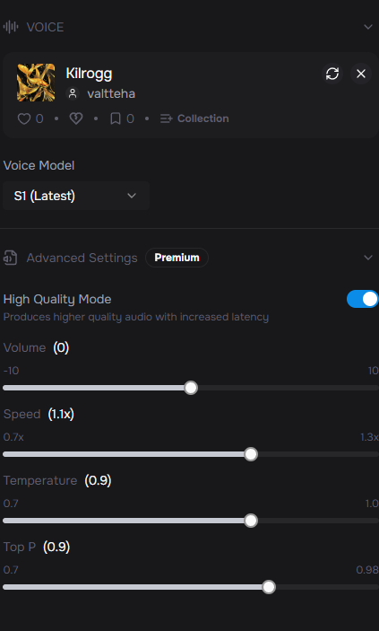
File Name | length | Text | Related quest | Related Event | order | Done | Comment
Kaelthir_0001 |  | Be careful… I’m still somewhat sane, but the others are not. |  | Normal Greet |  | x
Kaelthir_0002 |  | I can feel it eating what little I have left. |  | Normal Greet |  | x
Kaelthir_0003 |  | Every moment… I slip closer… |  | Normal Greet
Kaelthir_0004 |  | I can feel the void… |  | Normal Greet |  | x
Kaelthir_0005 |  | Please… come back! |  | Farewell |  | x
Kaelthir_0006 |  | Don’t leave me here! |  | Farewell |  | x
Kaelthir_0007 |  | Must… resist… the darkness! |  | Farewell |  | x
Kaelthir_0008
Kaelthir_0009 |  | Please… someone… I can feel it clawing at me. I am not ready… not yet. | Kaelthir’s Struggle | Intro
Kaelthir_0010 |  | I don’t want to become like them. | Kaelthir’s Struggle | Intro
Kaelthir_0011 |  | Help me, orc. I can still remember who I was. But time is running out. | Kaelthir’s Struggle | Intro
Kaelthir_0012 |  | Do not return empty-handed! I can feel it… gnawing! | Kaelthir’s Struggle | Unfinished
Kaelthir_0013 |  | The hunger for magic is growing. Hurry… please, hurry! | Kaelthir’s Struggle | Unfinished
Kaelthir_0014 |  | …Ah… it eases… just a little. I can still think… still feel… | Kaelthir’s Struggle | Completion
Kaelthir_0015 |  | Thank you. For this moment… for what little comfort you could bring. | Kaelthir’s Struggle | Completion
Kaelthir_0016 |  | Bring me any mana crystals you can find! | Kaelthir’s Struggle | Intro
Kaelthir_0017
Kaelthir_0018 |  | I can’t resist any much longer… | Kaelthir’s Hunger | Intro
Kaelthir_0019 |  | Every heartbeat… every breath… it drags me closer. | Kaelthir’s Hunger | Intro
Kaelthir_0020 |  | It burns. Do something, anything! | Kaelthir’s Hunger
Kaelthir_0021
Kaelthir_0022
Kaelthir_0023 |  | Thank you… for ending it quickly… I can rest… at last. | Kaelthir’s Hunger | Mercy Kill
Kaelthir_0024 |  | Yes… YES… give me more! MORE! | Kaelthir’s Hunger | Feed mana crystal (becomes wraith)
Kaelthir_0025 |  | Great farseer Aradion… can you still… save me? | Kaelthir’s Hunger | Bring to Aradion (Attempted Cure)
Kaelthir_0026 |  | Aaaaarrgh! | Kaelthir’s Hunger | death
Kaelthir_0027
Kaelthir_0028
Kaelthir_0029
Kaelthir_0030
Kaelthir_0031 |  | Hold still, Kaelthir. I can… no. No, it’s too late!
Kaelthir_0032
Kaelthir_0033
Kaelthir_0034
Kaelthir_0035
Kaelthir_0036
Kaelthir_0037
Kaelthir_0038
Kaelthir_0039
Kaelthir_0040
Kaelthir_0041
Kaelthir_0042
Kaelthir_0043
Kaelthir_0044
Kaelthir_0045
Kaelthir_0046
Kaelthir_0047
Kaelthir_0048
Kaelthir_0049
Kaelthir_0050
Kaelthir_0051
Kaelthir_0052
Kaelthir_0053
Kaelthir_0054
Kaelthir_0055
Kaelthir_0056
Kaelthir_0057
Kaelthir_0058
Kaelthir_0059

Boomer Brothers
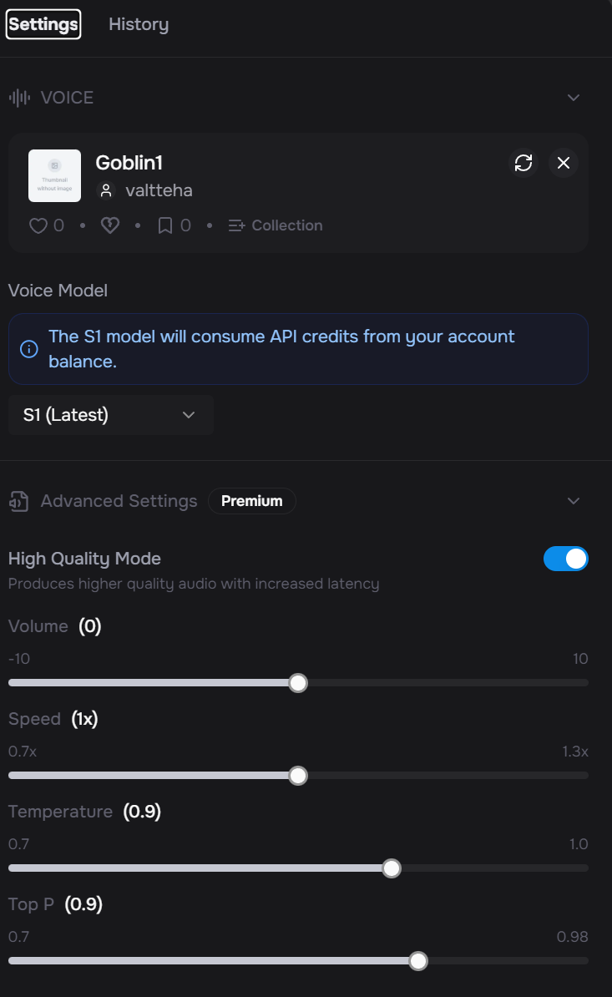
File Name | Text | Related quest | Related Brother | Related Event | Done
Boomers_0001 | Whoa there, big green! You're about to trespass on Boom Brothers Mining & Mayhem™ property! |  | Sprokk | First time greet | x | Other info
Boomers_0002 | This here mine is ours! Claimed fair and square with sweat, soot, and slightly unstable explosives! |  | Fizzit | First time greet | x | Sprokk (goblin1) | Boomer Brother 1
Boomers_0003 | And if you're here to steal our claim, think again — we sleep on the fuse pile! |  | Sprokk | First time greet | x | Fizzit (goblin2) | Boomer Brother 2
Boomers_0004 | Tick-tock, muscle-head. Time’s blowin’ away! |  | Fizzit | Goodbye | x
Boomers_0005 | If we’re not here when you get back... look for the crater. |  | Sprokk | Goodbye | x
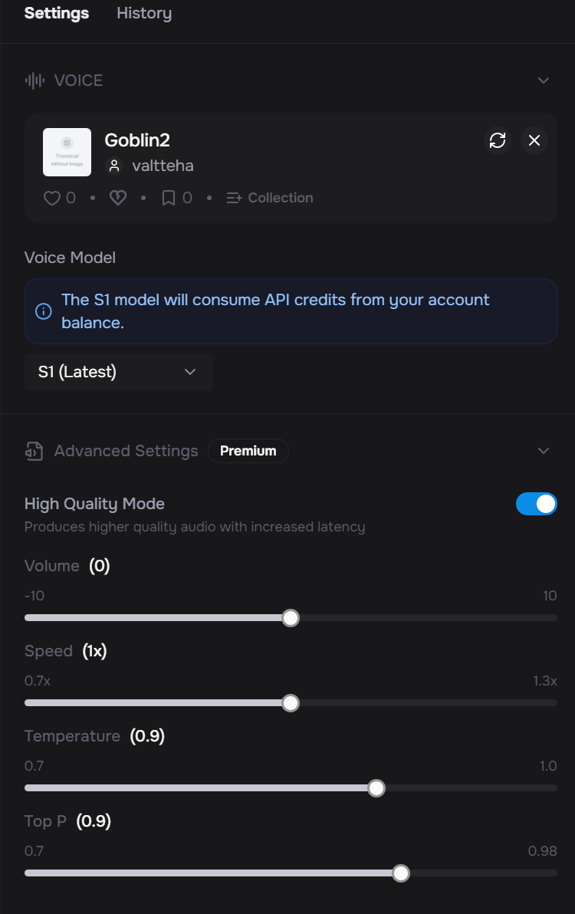
Boomers_0006 | Still here? Good. We need all the boom-friendly muscles we can get! |  | Sprokk | Normal Greet | x
Boomers_0007 | You look like a walking accident — just our type! |  | Fizzit | Normal Greet | x
Boomers_0008 |  |  |  |  | x
Boomers_0009 |  |  |  |  | x
Boomers_0010 | Our precious boom barrels are gone, stolen right out from under our soot-covered noses during the night! | Explosive Crisis | Fizzit | Intro | x
Boomers_0011 | We can't leave the mine to chase 'em down — if we do, someone else’ll stake a claim before sunrise! | Explosive Crisis | Sprokk | Intro | x
Boomers_0012 | You look tough and possibly reckless. Find our missing barrels... or bring us new ones. Either way, we need boom, fast! | Explosive Crisis | Fizzit | Intro / help yes or no | x
Boomers_0013 | Fine. Just leave us here to rot in a mine with no bang left in it.. | Explosive Crisis | Sprokk | Intro / decline | x
Boomers_0014 | Maybe we should start tossing rocks instead. You hear that, Sprokk? We're rock goblins now… | Explosive Crisis | Fizzit | Intro / decline | x
Boomers_0015 | That’s the spirit! Just remember — the barrels are unstable. Don’t smack ‘em, shake ‘em, or think too hard near ‘em! | Explosive Crisis | Fizzit | Intro / accept | x
Boomers_0016 | Find the thieves, check shady traders, maybe shake a kobold or two. Just bring us our boom back! | Explosive Crisis | Sprokk | Intro / accept | x
Boomers_0017 | Any sign of our barrels? Or did you just come back to look explosive? | Explosive Crisis | Fizzit | Unfinished | x
Boomers_0018 | No pressure, but without those barrels, this mine’s just a damp hole full of dreams and disappointment. | Explosive Crisis | Sprokk | Unfinished | x
Boomers_0019 | Yes! Our beautiful barrels! Still tickin’ too... oh wait—NO don’t touch that fuse—!" | Explosive Crisis | Fizzit | Completion | x
Boomers_0020 | You’ve got the guts and the muscle. If we blow open the next shaft, you're gettin’ a cut! | Explosive Crisis | Sprokk | Completion | x
Boomers_0021
Boomers_0022
Boomers_0023
Boomers_0024
Boomers_0025 | Now we can finally blast Shaft B open! | Boomsite Compliance Inspection | Fizzit | After Explosive Quest | x
Boomers_0026 | Relax, Blix! He barely dropped any barrels! | Boomsite Compliance Inspection | Sprokk | After Explosive Quest | x
Boomers_0027 | Come on, Blix! That support beam only creaks if you sneeze directly at it. | Boomsite Compliance Inspection | Fizzit | After Explosive Quest | x
Boomers_0028 | Besides, wood's wood. Oak, pine, rotted fence post—it’s all the same underground. | Boomsite Compliance Inspection | Sprokk | After Explosive Quest | x
Boomers_0029 | Tastes like real wood, too! | Boomsite Compliance Inspection | Fizzit | Accepted wood | x
Boomers_0030 | Fizzit, stop licking the support beams! | Boomsite Compliance Inspection | Sprokk | Accepted wood | x
Boomers_0031 | So... we’re good to blast now? | Boomsite Compliance Inspection | Fizzit | Accepted wood
Boomers_0032 | We’re actually following safety regs? What’s next, unionizing!? | Boomsite Compliance Inspection | Fizzit | Upon Turning in All 10 Good Logs
Boomers_0033 | Don’t say a thing anymore or else we will keep doing these stupid things forever… | Boomsite Compliance Inspection | Sprokk |  | x
Boomers_0034 | Not until we carve the logs into support beams, wedge 'em in, and perform a full safety dance. | Boomsite Compliance Inspection | Sprokk |  | x
Boomers_0035 | Can we explode things now? Please? | Boomsite Compliance Inspection | Fizzit |  | x
Boomers_0036 | Let’s create the support columns first, perhaps we can then start blasting…. | Boomsite Compliance Inspection | Sprokk |  | x
Boomers_0037
Boomers_0038
Boomers_0039
Boomers_0040 | Logs secured? Ohhh yes. It's boom-time, baby! | Dust Isn’t Just Dirt – It’s Combustible Culture | Fizzit | Pre | x
Boomers_0041 | Quick! Let’s light it up before Blix shows up with another— | Dust Isn’t Just Dirt – It’s Combustible Culture | Sprokk | Pre | x
Boomers_0042 | ...The what? | Dust Isn’t Just Dirt – It’s Combustible Culture | Fizzit | Pre | x
Boomers_0043 | This again. We can't even sneeze without a safety seminar. | Dust Isn’t Just Dirt – It’s Combustible Culture | Sprokk | Pre | x
Boomers_0044 | Next he'll make us wear full-face anti-static sniff masks! | Dust Isn’t Just Dirt – It’s Combustible Culture | Fizzit | Pre | x
Boomers_0045 | He’s not joking. Last time we skipped this, Sprokk’s eyebrows caught fire for a week. | Dust Isn’t Just Dirt – It’s Combustible Culture | Fizzit | Intro | x
Boomers_0046 | Still smelled better than the soup Fizzit made that night. | Dust Isn’t Just Dirt – It’s Combustible Culture | Sprokk | Intro | x
Boomers_0047 | NOW we can blast, right?! My boom finger’s twitching!!! | Dust Isn’t Just Dirt – It’s Combustible Culture | Fizzit | Outro | x
Boomers_0048 | Are you serious??? | Dust Isn’t Just Dirt – It’s Combustible Culture | Sprokk | Outro | x
Boomers_0049
Boomers_0050
Boomers_0051
Boomers_0052 | We run. Screaming. It's tradition! | Dust Isn’t Just Dirt – It’s Combustible Culture | Fizzit | Outro | x
Boomers_0053 | Usually in circles. Once Fizzit even drilled a hole just by running around. | Dust Isn’t Just Dirt – It’s Combustible Culture | Sprokk | Outro
Boomers_0054 | So… we panic out here, instead of in there? Feels weird, but okay! | Dust Isn’t Just Dirt – It’s Combustible Culture | Fizzit
Boomers_0055
Boomers_0056 | Haven’t we done this million times already? | Mandatory Training | Sprokk | Intro | x | 2.95
Boomers_0057 | Kobolds? They tried to eat my pants last time | Mandatory Training | Fizzit | Intro | x | 3.35
Boomers_0058 | Listen up boys! We’re moving to the safety camp! | Mandatory Training | Sprokk | Intro | x | 3.4
Boomers_0059 | And afterwards… it’s BLASTING TIME, BABY! | Mandatory Training | Fizzit | Intro | x | 2.75
Boomers_0060 | You sure this is the right way? | Mandatory Training | Fizzit | On quest | x | 1.7
Boomers_0061 | Are we going to get snacks when we get there? | Mandatory Training | Fizzit | On quest | x | 2.5
Boomers_0062 | Yes! We can grill some kobold meat with dynamite. | Mandatory Training | Sprokk | On quest | x | 3.4
Boomers_0063 | Can we unionize against safety? Is that a thing? | Mandatory Training | Fizzit | On quest | x | 2.8
Boomers_0064 | Sometimes you just got to play along. | Mandatory Training | Sprokk | On quest | x | 2.5
Boomers_0065 | I brought my lucky detonator. You know, in case the training gets boring. | Mandatory Training | Fizzit | On quest | x | 3.9
Boomers_0066 | That’s the one that blew off your eyebrows last week. | Mandatory Training | Sprokk | On quest | x | 3.35
Boomers_0067 | Exactly! Super lucky. My lucky charm. | Mandatory Training | Fizzit | On quest | x | 3
Boomers_0068 | Hehee, I passed explosives handling exam just by drawing a stick figure with dynamines on his hands. True story. | Mandatory Training | Fizzit | On quest | x | 6.95
Boomers_0069 | Explains a lot. | Mandatory Training | Sprokk | On quest | x | 1.4
Boomers_0070 | Remind me again why we’re trusting the guy named Blix? That name sounds like a fuse already halfway lit. | Mandatory Training | Fizzit | On quest | x | 6
Boomers_0071 | Didn’t you say that he is your cousin's good friend and trustworthy? | Mandatory Training | Sprokk | On quest | x | 4.25
Boomers_0072 | I don’t remember how he ended up joining our crew… He just popped up! | Mandatory Training | Fizzit | On quest | x | 3.5
Boomers_0073 | Hmmm… | Mandatory Training | Sprokk | On quest | x | 1.1
Boomers_0074 | Gentlemen! We have arrived at our destination! | Mandatory Training | Fizzit | On kobold mine | x | 3.2
Boomers_0075 | Okay, we are not really doing this ”training” stuff, its ridiculous. | Mandatory Training | Sprokk | On kobold mine | x | 4.6
Boomers_0076 | Let's just put check mark on all the objectives on the list to please Blix and head back. | Mandatory Training | Sprokk | On kobold mine | x | 4.9
Boomers_0077 | Hey! Where’s Blix? And what are those turrets doing at the entrance? | Mandatory Training | Fizzit | On returning | x | 4
Boomers_0078 | We have been deceived. All this safety non-sense was all just to distract us! | Mandatory Training | Fizzit | On returning | x | 4.9
Boomers_0079 | You will regret this, Mad Blix! | Mandatory Training | Sprokk | On returning | x | 2.5
Boomers_0080
Boomers_0081 |  |  |  |  |  |  | Defeat Mad Blix’s mechanical minions (turrets, bomb drones, merc goblins)
Boomers_0082 |  |  |  |  |  |  | Infiltrate the mine through a back shaft (using explosives from previous quests!)
Boomers_0083 | He stole OUR MINE?! | Boom Will Be Back | Fizzit | Intro | x | 3.6 | Face Mad Blix in the central cavern, piloting a Goblin Mecha-Shredder MK.III
Boomers_0084 | Nobody betrays the Boom Brothers and lives to file about it. | Boom Will Be Back | Sprokk | Intro | x | 3.8 | Defeat Mad Blix and reclaim the mine for the Boom Brothers.
Boomers_0085 | We’re about to file a complaint... with DYNAMITE. | Boom Will Be Back | Fizzit | Intro | x | 2.8
Boomers_0086 | I know it’s a lot asked, but you must defeat Mad Blix and reclaim the mine back for us! | Boom Will Be Back | Sprokk | Intro | x | 4.8
Boomers_0087 | We will support you with explosives. | Boom Will Be Back | Sprokk | Intro | x | 2.15
Boomers_0088 | Blast the heck out of that ...troublemaker! Haha! | Boom Will Be Back | Fizzit | Intro | x | 4.25
Boomers_0089 | Be careful, his goons have probably rigged the tunnels with turrets and traps! | Boom Will Be Back | Sprokk | Unfinished | x | 4.25
Boomers_0090 | Sprokk, can I go into the mine to blast these infiltrators?! | Boom Will Be Back | Fizzit | Unfinished | x | 3.3
Boomers_0091 | No Fizzit, let him do the job, we will support - 100 %. | Boom Will Be Back | Sprokk | Unfinished | x | 4
Boomers_0092 | That’ll teach him to mess with demolition experts! | Boom Will Be Back | Sprokk | Completion | x | 3
Boomers_0093 | Nicey nice! You are our hero! | Boom Will Be Back | Fizzit | Completion | x | 2
Boomers_0094 | We are forever in your debt and so therefore as reward, you may anytime go inside the mine and gather ore or what ever you’ll find! | Boom Will Be Back | Sprokk | Completion | x | 6.9
Boomers_0095
Boomers_0096 | Everything is back how it should be - thanks to you! |  | Sprokk | Normal greet 2 | x | 3.5
Boomers_0097 | I’m now head of kaboom logistics. Self-promoted. |  | Fizzit | Normal greet 2 | x | 3.4
Boomers_0098 | Hey Nazgrek — want to help dig a hot tub tunnel? No reason… |  | Fizzit | Normal greet 2 | x | 3.7
Boomers_0099 | Have you found any rare ore vein from the mine yet? |  | Sprokk | Normal greet 2 | x | 3.4
XXX_0100
XXX_0101
XXX_0102
XXX_0103
XXX_0104
XXX_0105
XXX_0106
XXX_0107
XXX_0108
XXX_0109
XXX_0110
XXX_0111
XXX_0112
XXX_0113
XXX_0114
XXX_0115

Thork Lines
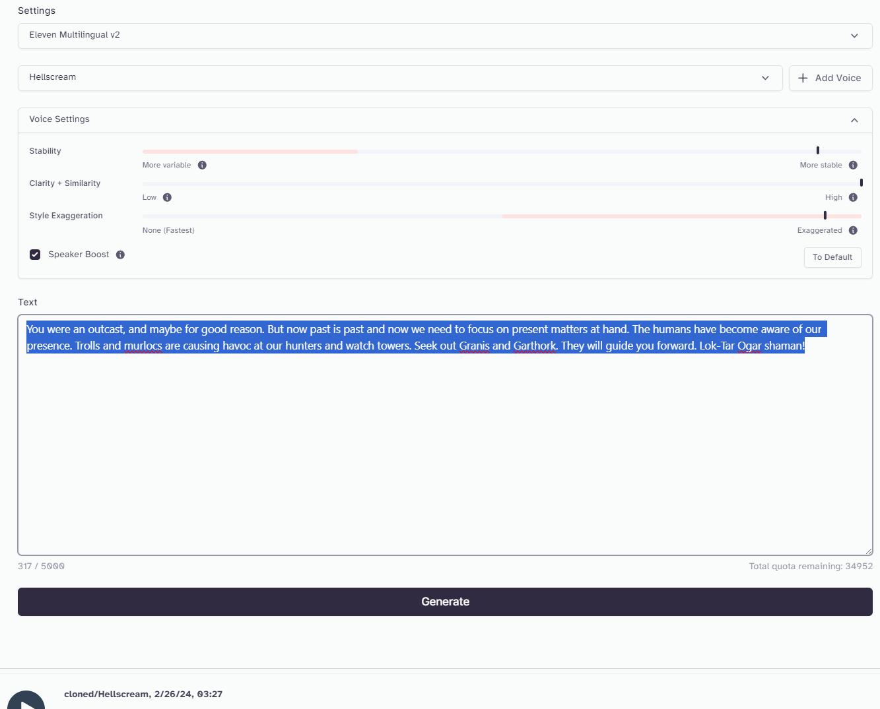
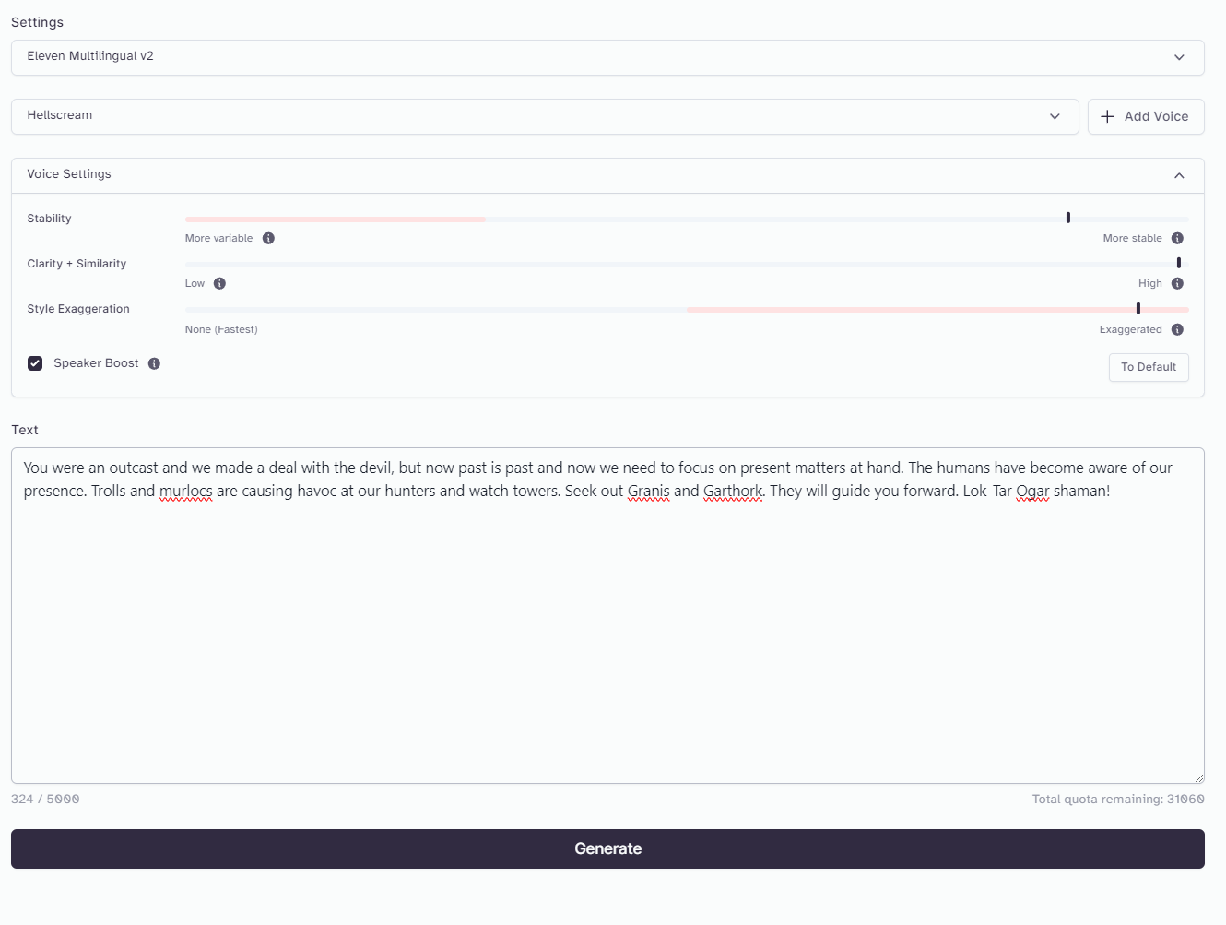
File Name | Text | Related quest | Related Event | order | Done | Comment | https://www.reddit.com/r/warcraftlore/comments/cwu92s/orcish_phrases/
Thork_0001 | Once you were an outcast—perhaps deservedly. But the past is ash now. What matters is what stands before us. Humans have grown bold, and our lands feel their eyes. Trolls and murlocs harass our hunters and watchtowers. Seek Granis and Garthork. They will set you upon the path. Lok’tar ogar, shaman. |  |  |  | x
Thork_0002 | You were summoned, because the Horde has use for your shamanistic strength! |  |  | 1 | x
Thork_0003 | The witch doctors of the Darkspear have sent their shadow hunter—Zul’kis—to walk beside you. He serves my cause… and so will you. |  |  | 4 | x
Thork_0004 | If you get along, he will heal you in battle and curse your enemies so they are slain more easily, haha haha! |  |  | 5 | x
Thork_0005 | Remember this, shaman: death by the axe among our kin is more honorable than surviving alone as an outcast in some forgotten forest. Now go. |  |  |  | x
Thork_0006 | During the Second War, many of us were blind—too eager, too trusting. Gul’dan’s poison ran deep. I remember those who warned us… and those who paid for it in blood. Survival always has a cost. |  |  | 2 | x
Thork_0007 | You were an outcast, and we all made choices we must now live with. But the present calls. Humans press closer, and trolls and murlocs weaken our hold on these lands. Seek Granis and Garthork. They will instruct what needs to be done. |  |  | 3 | x | This or 0001
Thork_0008 | Indeed. The threat can no longer be ignored. Hunters vanish. Watchtowers burn. Granis and Garthork will prepare you for what comes next. |  |  |  | x
Thork_0009
Thork_0010 | So… you came. I was uncertain you would answer my call, Nazgrek.
Thork_0011 | Where is the blood? Words are wind. Commitment is carved in flesh. Without sacrifice, trust means nothing.
Thork_0012 | You stand before me still breathing—good. Tell me, Nazgrek… have your battles hardened you, or merely sharpened your rage?
Thork_0013
Thork_0014
Thork_0015
Thork_0016
Thork_0017
Thork_0018
Thork_0019
Thork_0020
Thork_0021
Thork_0022
Thork_0023
Thork_0024
Thork_0025
Thork_0026
Thork_0027
Thork_0028
Thork_0029
Thork_0030
Thork_0031
Thork_0032
Thork_0033
Thork_0034
Thork_0035
Thork_0036
Thork_0037
Thork_0038
Thork_0039
Thork_0040
Thork_0041
Thork_0042
Thork_0043
Thork_0044
Thork_0045
Thork_0046
Thork_0047
Thork_0048
Thork_0049
Thork_0050
Thork_0051
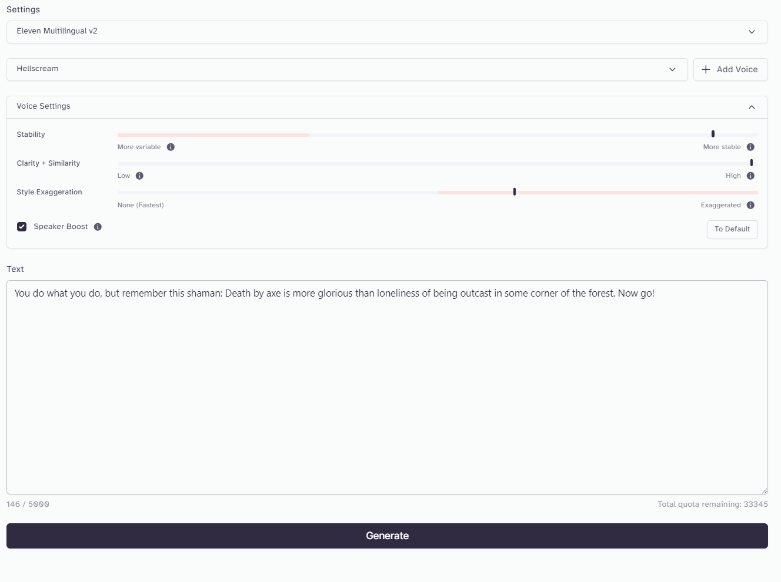
Thork_0052
Thork_0053
Thork_0054
Thork_0055
Thork_0056
Thork_0057
Thork_0058
Thork_0059
Thork_0060
Thork_0061
Thork_0062
Thork_0063
Thork_0064
Thork_0065
Thork_0066
Thork_0067
Thork_0068
Thork_0069
Thork_0070
Thork_0071
Thork_0072
Thork_0073
Thork_0074
Thork_0075
Thork_0076
Thork_0077
Thork_0078
Thork_0079
Thork_0080
Thork_0081
Thork_0082
Thork_0083
Thork_0084
Thork_0085
Thork_0086
Thork_0087
Thork_0088
Thork_0089
Thork_0090
Thork_0091
Thork_0092
Thork_0093
Thork_0094
Thork_0095
Thork_0096
Thork_0097
Thork_0098
Thork_0099
Thork_0100
Thork_0101
Thork_0102
Thork_0103
Thork_0104
Thork_0105
Thork_0106
Thork_0107
Thork_0108
Thork_0109
Thork_0110
Thork_0111
Thork_0112
Thork_0113

OLD LINES
Thork_0001 | You were an outcast, and maybe for good reason. But now past is past and now we need to focus on present matters at hand. The humans have become aware of our presence. Trolls and murlocs are causing havoc at our hunters and watch towers. Seek out Granis and Garthork. They will guide you forward. Lok-Tar Ogar shaman!
Thork_0002 | You were brought here, because the Horde needs your shamanistic powers!
Thork_0003 | The witchdoctors of Darkspear tribe have sent this Shadow hunter, Zul'kis to aid you in your path for the glory and honor of the Horde!
Thork_0004 | If you get along, he will heal you in battle and curse your enemies so they are slain more easily, haha haha!
Thork_0005 | You do what you do, but remember this shaman: Death by axe is more glorious than loneliness of being outcast in some corner of the forest. Now, go!
Thork_0006 | At the time, we did not realize Gul’Dan’s betrayal. We should have listened to you and the other like-minded orcs, like Durotan... My brother paid the ultimate price with his sacrifice at the Kalimdor…
Thork_0007 | You were an outcast and we made a deal with the devil, but now we need to focus on present matters at hand. The humans have become aware of our presence. Trolls and murlocs are causing havoc at our hunters and watch towers. Seek out Granis and Garthork. They will guide you forward.
Thork_0008 | Indeed... but now we need to focus on present matters at hand. The humans have become aware of our presence. Trolls and murlocs are causing havoc at our hunters and the threat they pose can no longer be ignored. Seek out Granis and Garthork. They will guide you forward.
Thork_0009
Thork_0010 | So, you've arrived... I didn't expect you to accept my summon.
Thork_0011 | Where’s the blood? You know how it goes, Nazgrek. I don’t know if you are trustworthy if you don’t commit yourself with a blood pact!
Thork_0012 | Ahh, Nazgrek. Have you been victorious in battles?

